Subject Areas
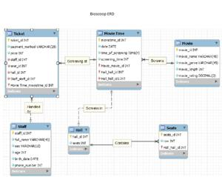

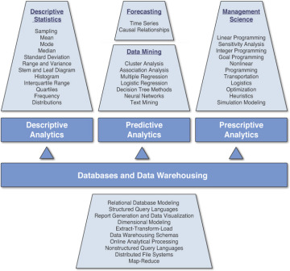

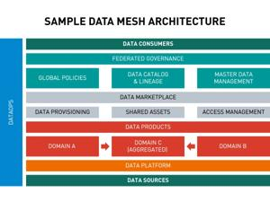
NAME | COLOUR | COLOUR CODE | DESCRIPTION | DOMAIN OWNER | DATA OWNERS | DATA STEWARDS | DATA ASSET ENGINEER | DATA CONTRACTS URL | DATA GOVERNANCE REP
Box Office | Blue | #0000FF | Manages ticket sales, revenue, and attendance data | Sarah Johnson | Mike Thompson | Emily Davis, Tom Wilson | Alex Lee | /contracts/box-office | Rachel Green
Concessions | Yellow | #FFFF00 | Handles food and beverage sales data | Chris Evans | Lisa Wong | David Brown, Anna Smith | James Chen | /contracts/concessions | Rachel Green
Film Programming | Red | #FF0000 | Manages movie schedules, film metadata, and licensing information | Robert Downey | Natalie Portman | Mark Ruffalo, Scarlett Johansson | Chris Hemsworth | /contracts/programming | Rachel Green
Customer Relations | Green | #006400 | Oversees customer data, loyalty programs, and feedback | Emma Stone | Ryan Gosling | Andrew Garfield, Zoe Saldana | Tom Holland | /contracts/customer | Rachel Green
Operations | Orange | #FFA500 | Handles facility management, equipment, and staff scheduling data | Samuel L. Jackson | Chadwick Boseman | Lupita Nyong'o, Danai Gurira | Letitia Wright | /contracts/operations | Rachel Green

